Sheet1
Improvements report
Date 30.4.2024
Quality assurance

Number | Description | Expected result | Attachment | Mockup
1. | The button text is "Get a started" | Should be "Get started" (mockup error) |  | https://www.figma.com/proto/mfiRnc80Dr3k3AQPH0pdac/Animation?page-id=0%3A1&type=design&node-id=1-6&t=xiXq939xtHFmsmeE-0&scaling=min-zoom&starting-point-node-id=1%3A6&fbclid=IwZXh0bgNhZW0CMTAAAR0gusq4YWF0Kq1NOp-Yduyy85jO1eKcWGzD4KYjkwVYw45eqyIChFJWhaM_aem_Afndmm18tZ3U938kdLl5Jbn-qot_ngxc6H5qZLxMrVLmbHNeZTmO4dyHUVDfigrReq5yroplfecY16WlKiCARG4O
2. | There are no three dots indicator below the slide images | There should be three dots as in the mockuo indicating on what page the user is | 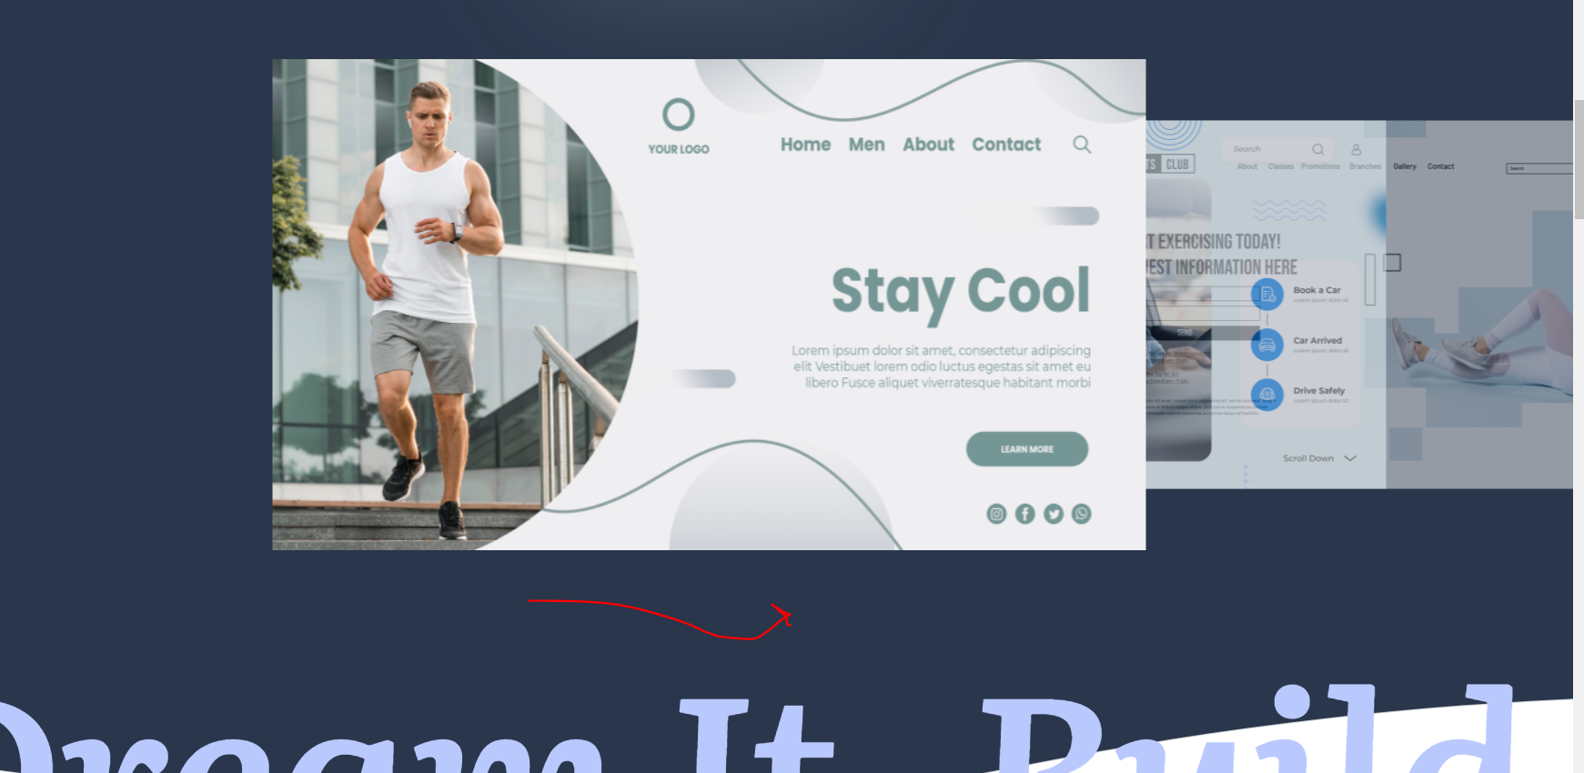
3. | The slide effect and speed is not same is the mockup | Should be as in the mockup, check column E for mockup link
4. | The top header is not displayed all the time when scrolling down (same on all pages) | 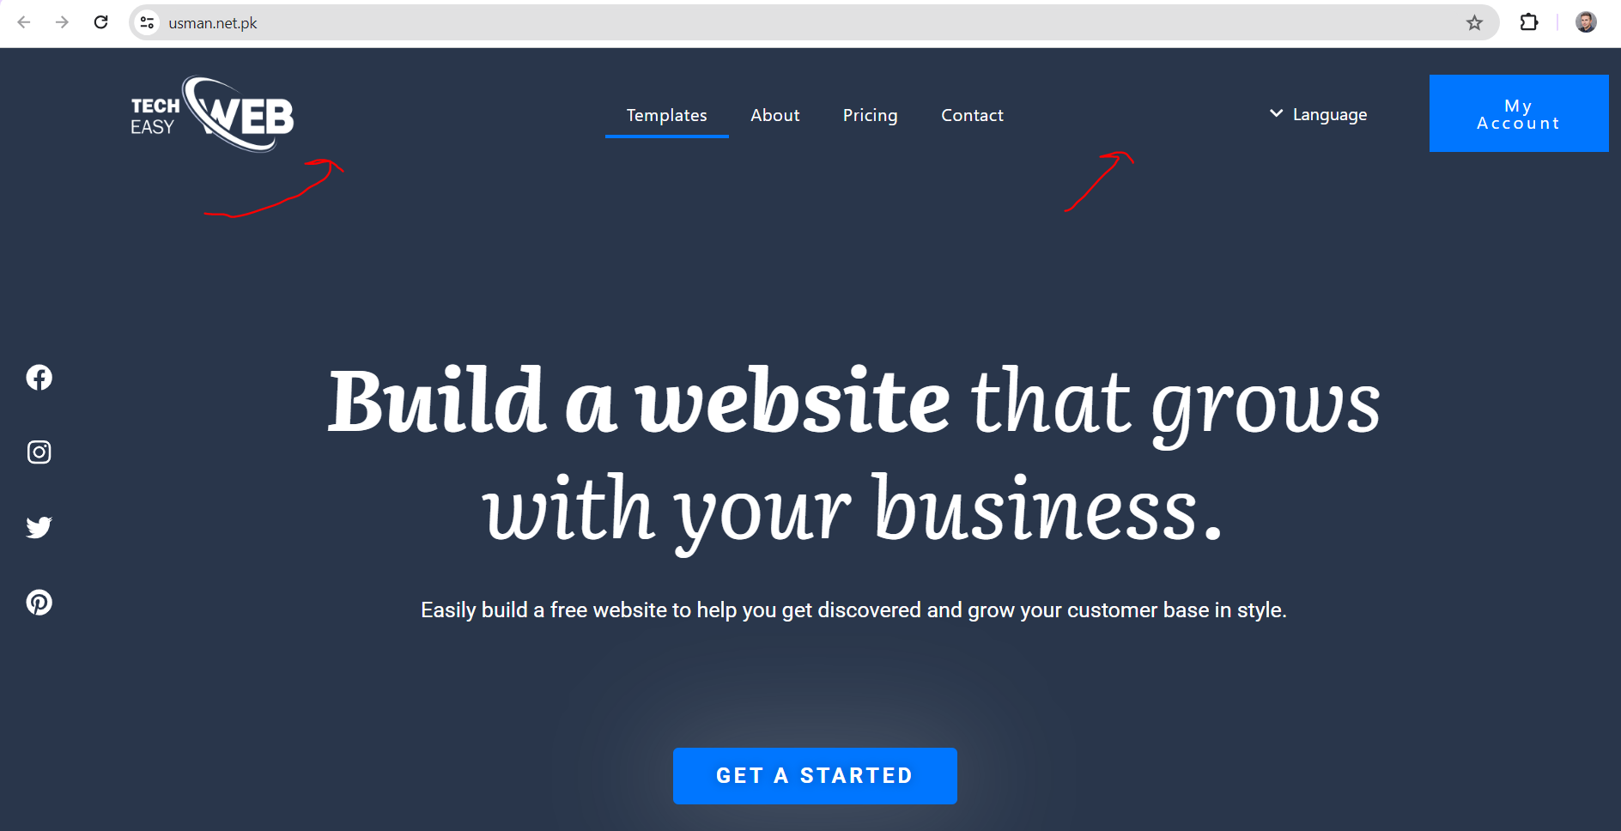 The header should be fixed and when scrolling down to be stll displayed
5. | The text "Dream it build it" is in two rows | Should be in one row as per mockup | 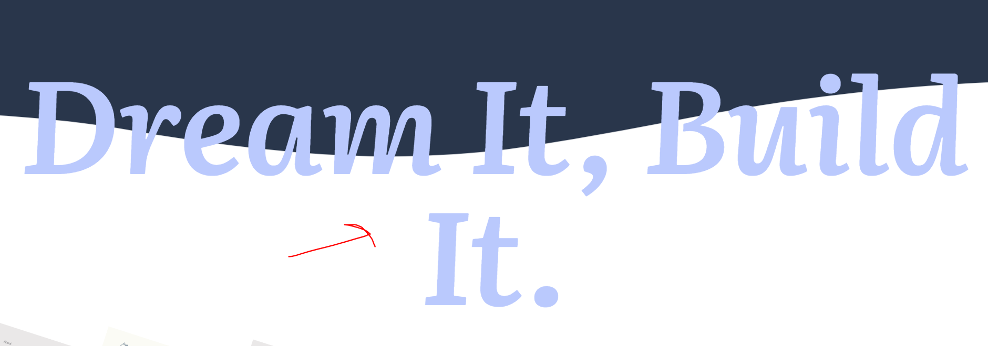 |  | Based on the zoom in/out, can be done static regardles zoom?
6. | The text "How to create a website" is in two rows and the steps 2,3.. Are not displayed, and Get started button is missing | Should be in one row and steps to be displayed as in the mockup, get started button should be dispayed as per mockup |  |  | Based on the zoom in/out, can be done static regardles zoom?
7. | The button "Or play here" is not centered and the text and play sign is not same format as in the mockup | Should be as per mockup
8. | "Here what our satisfiet clients are saying" whole part is missing at the bottom of the page | 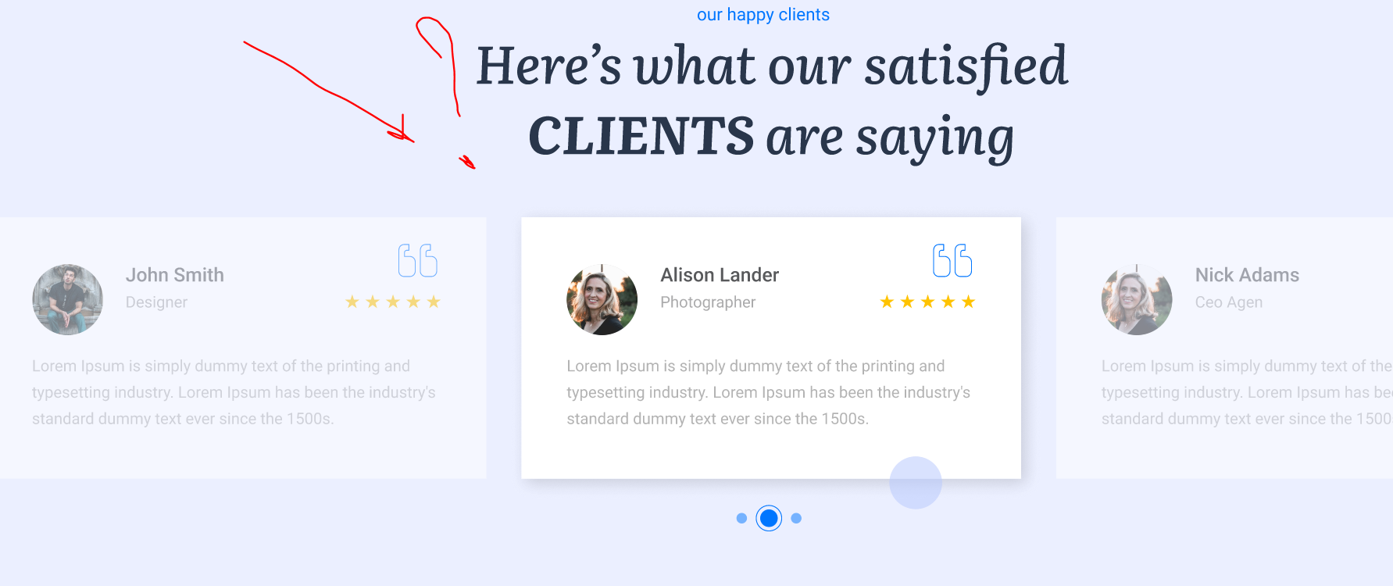 In the mockup there is part for clients confessions with slides
9. | "Why should I have website" text font is not as per mockup and there are no line separators | Font should be same as in the mockup and lines to be present to separate the text | 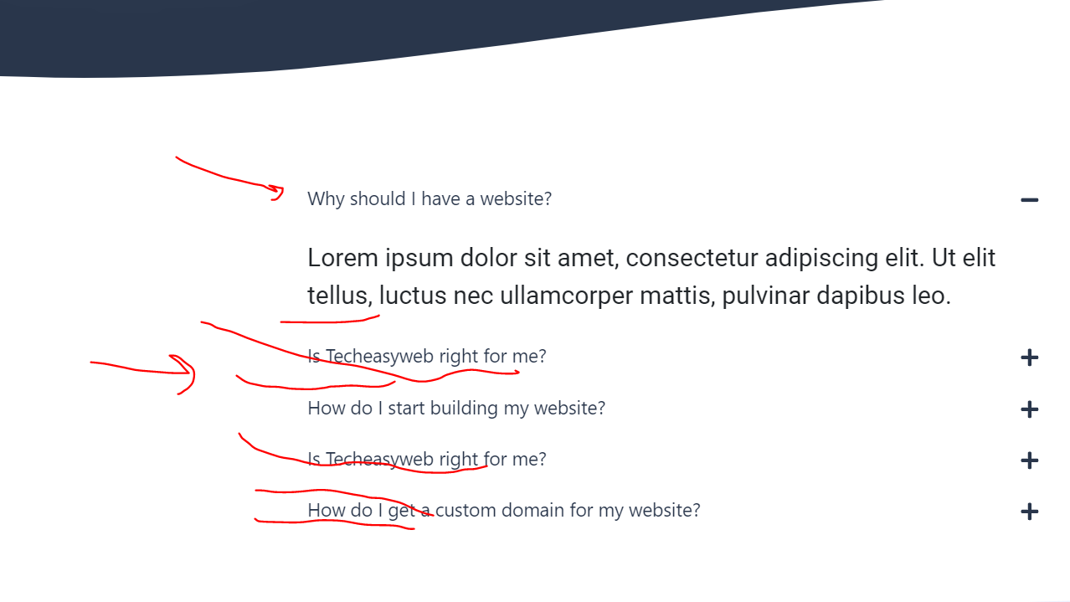
10. | FAQ text and logo with the text at the end of the page is alligned to the end left (same on all pages) | There should be a bit space as in the mockup | 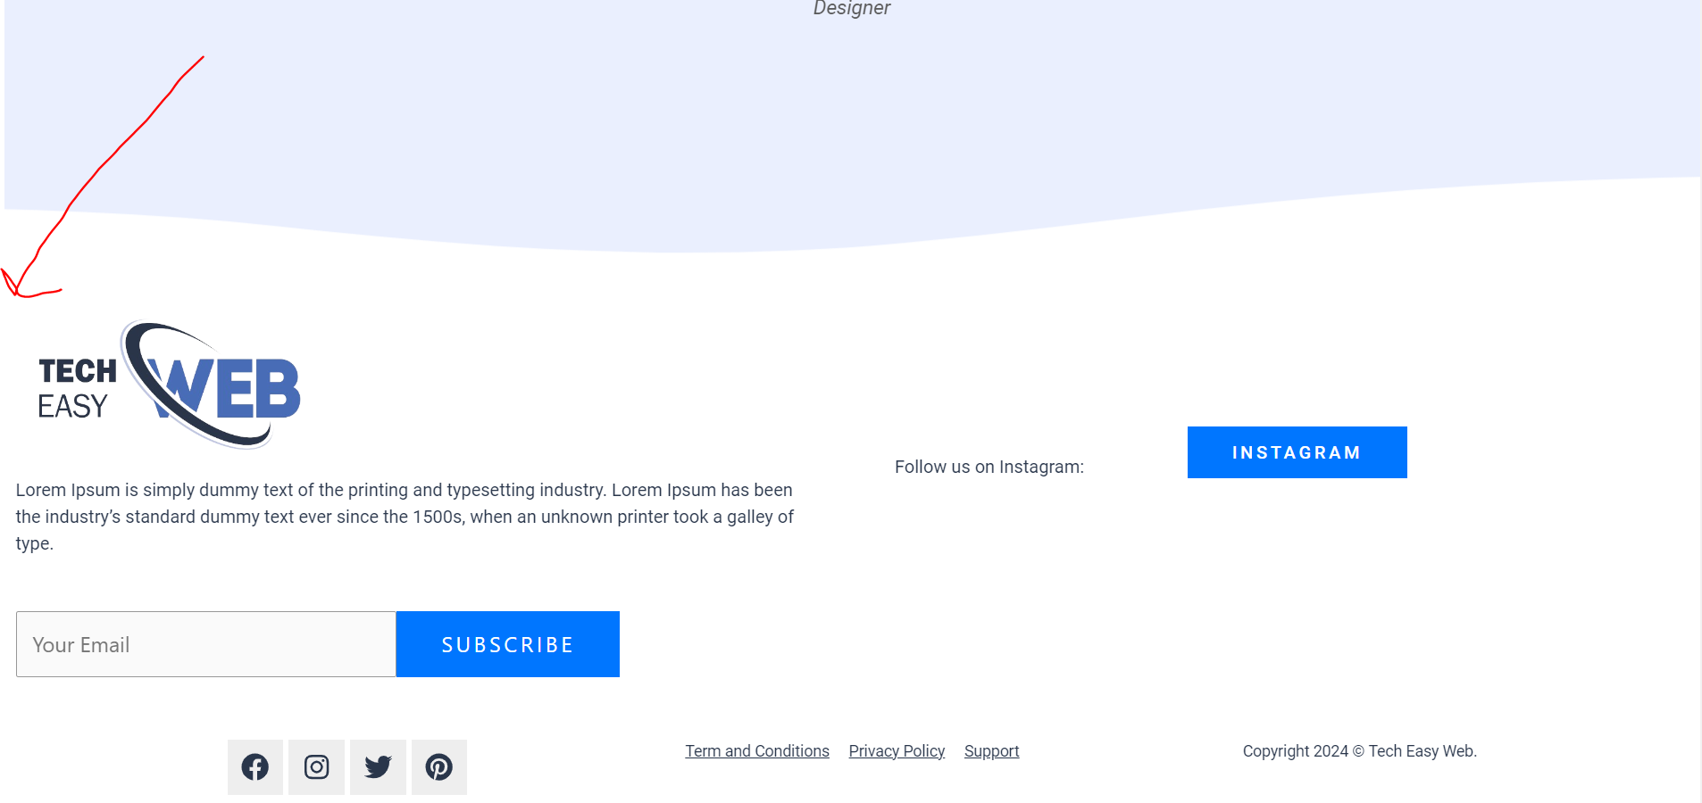 |  | Based on the zoom in/out, can be done static regardles zoom?
11. | Header text is not same format The selector page is not same as in the mockup Language the country is not displayed My account mockup is not same font | Should be as per mockup | 
12. | About page text is not centered as per mockup | Shoud be size and centered as in the mockup | 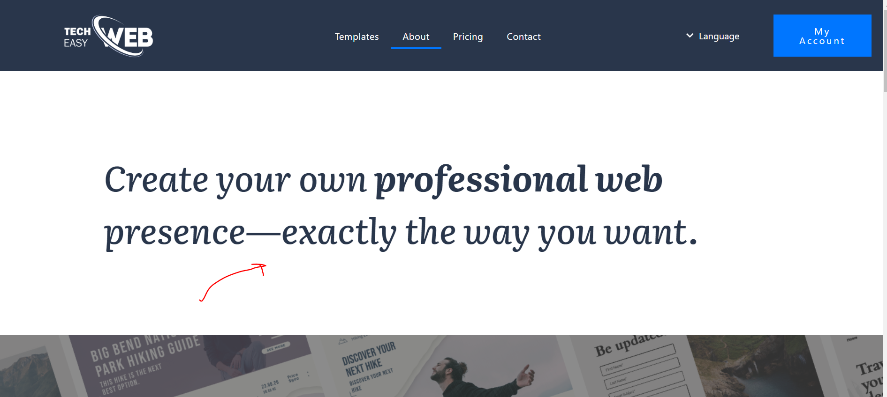
13. | There is no slide buttons as in the mockup | There should be buttons to switch the images and the image to be selected | 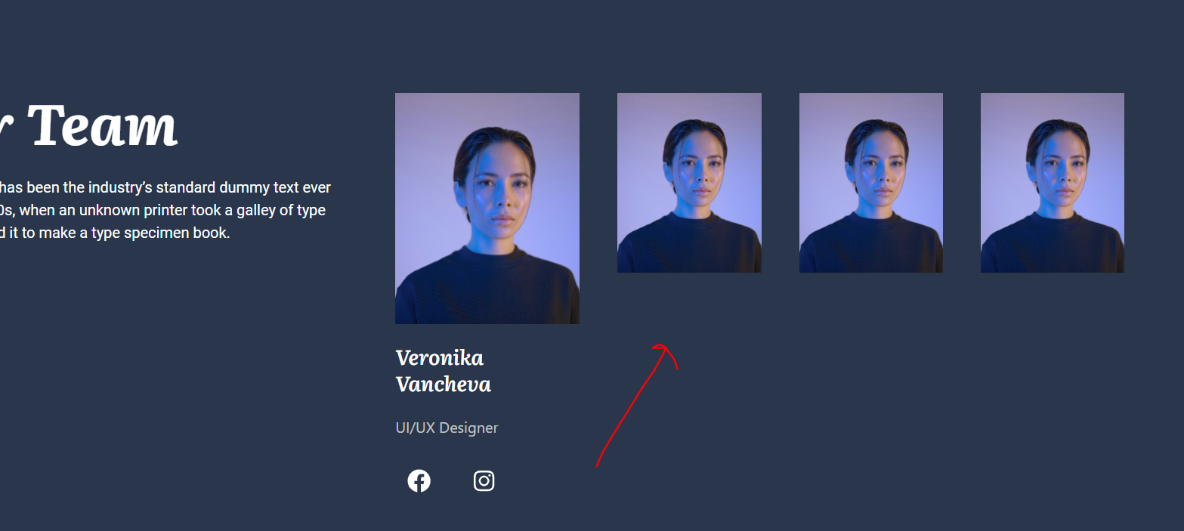
14. | In contact page, email and contact text color is not the same and overlap | Should be same as per mockup | 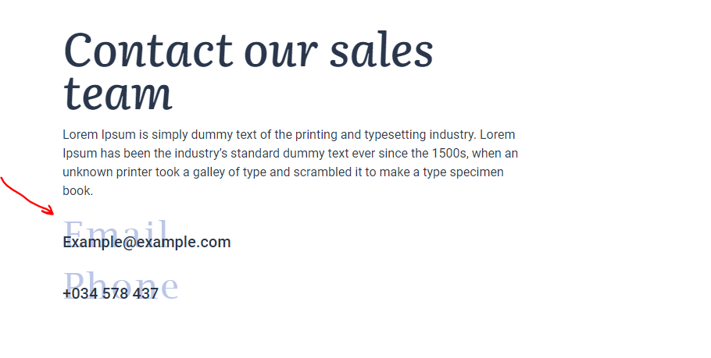
15. | In contact page, first name, last name… texts are missing | Should be same as per mockup | 